Info
SPC Chart Settings

Use the SPC Chart Settings tab to customize the look and feel of the SPC charts within your organisation.
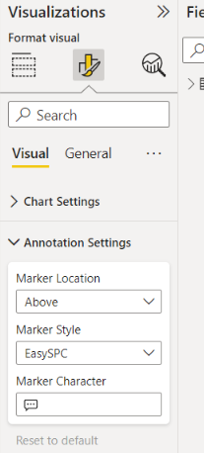
1. Menu Option

This column identifies the sub-menus in the visualisation pane in Power BI Desktop when you have selected the SPC Chart visual.

2. Setting

Name of the individual setting within the visualisation pane

3. Option

This is where you customize the settings for your SPC chart. The option you select in the Excel report will update this field in your Power BI report.

4. Definition

A brief definition of the setting and options

